Sheet1
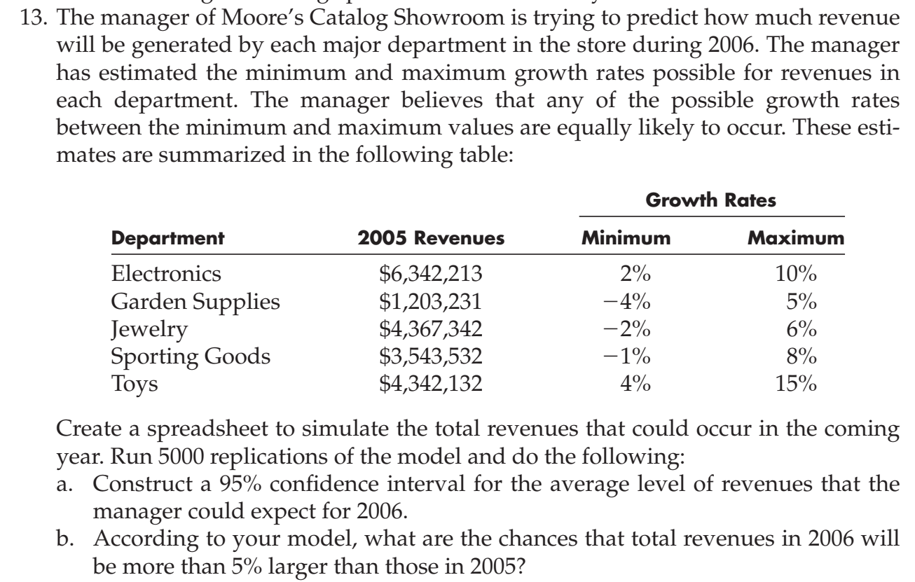
 |  | Growth Rates |  | 2006 Revenue
Department | 2005 Revenues | Minimum | Max | Growth Rate | revenue
Electronics | $6,342,213 | 2% | 10% | 0 | $6,342,213.00
garden Supplies | $1,203,231 | -4% | 5% | 0 | $1,203,231.00
Jewelry | $4,367,342 | -2% | 6% | 0 | $4,367,342.00
Sporting Goods | $3,543,532 | -1% | 8% | 0 | $3,543,532.00
Toys | $4,342,132 | 4% | 15% | 0 | $4,342,132.00
 | $19,798,450 |  |  | total revenue | $19,798,450.00

Statistics | Total Revenue
 |  | Trials | 5000
Base Case | 0.00
 |  | Mean | 20,802,952.96
Median | 20,801,449.83
Mode | ---
 |  | Standard Deviation | 246,762.64
Variance | 60,891,801,008.59
Skewness | 0.0038
Kurtosis | 2.62
Coeff. of Variation | 0.0119
Minimum | 20,013,555.90
Maximum | 21,588,045.41
Range Width | 1,574,489.51
Mean Std. Error | 3,489.75

For 95% confidence interval significance level |  |  | 5%
Upper Confidence level |  | 20809792.748
Lower Confidence level |  | 20796113.176

5% larger than 2005 total revenue |  |  | $20,788,372.50
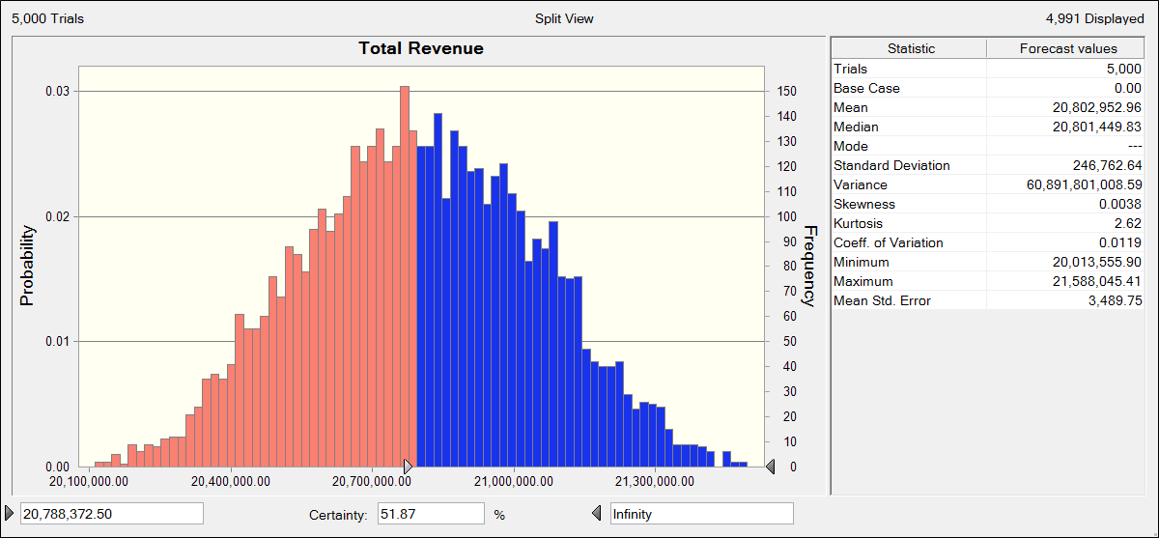

b) The chances that the total revenues in 2006 is larger than 5% of the total 2005 revenue is obtained from the figure above as 51.87%.

